Guidance Notes
Croydon Council LGPS Leaver form
Employee Details
Please provide full details so that we can identify the employee’s pension record. If they have more than one employment with you please complete a separate form for each position they have left.
Please provide accurate contact details for the employee so that we can provide them with information about their pension benefits in the future.
If the employee's payroll number has changed please advise us of their previous payroll number.

Leaver Information
It is vital we have full and accurate information to calculate your employees pension benefits. In some cases we require supporting documentation which you must provide. Forms may be returned to you if the documentation has not been provided. This may result in delays to the payment of pension benefits.
Documentation required:
Death in Service – please provide contact details for the NOK and any other relevant details.
Redundancy – by completing this form you are confirming any cost resulting from the redundancy will be met. It is the employers responsibility to request estimates in good time and ensure the costs can be met.
Flexible Retirement – Please provide confirmation the flexible retirement has been approved and there has been a reduction in hours or grade and any employer costs will be met.
Opt-out – Please provide a copy of the employee’s completed opt out form.
Ill Health – Please provide a copy of the correct Medical Certificate completed by the IRMP and written confirmation from the employer that they have awarded ill health retirement, the termination date and which tier has been awarded. Please note the Medical Certificate alone will not be accepted as evidence of the employer’s decision to award ill health retirement.

CARE pension benefits
Please provide pay and contribution figures for the period 01 April to last day of service. For example, if an employee leaves on the 31 December 2023 please provide pay details for the period 01 April 2023 to 31 December 2023.
Post 2014 pensionable pay includes overtime payments. Please refer to the LGPS HR and Payroll guides for further information.

Periods of reduced or nil pay during the last year of employment
It is important we are informed of all periods of reduced or nil pay throughout the duration of an employee’s employment. This includes sick leave, child related leave, unpaid leave and strike action. It is particularly important where this period happened in the final year of membership.
Where the reduction in pay was due to child related leave or sick leave the employee’s pension benefits for this period will be based on Assumed Pensionable Pay (APP). Please complete the Assumed Pensionable Pay sheet.
The Leaver form will be returned to the employer if this section is not completed in full if required.
If the pay the member received in the three-month period (or 12 weeks if paid weekly) is materially lower than the pay they would normally receive, the employer has a discretion to use a higher pay in the APP calculation. The employer must have regard to the pensionable pay the member earned over the previous 12 months when determining what the normal level of pensionable pay is.
If you choose to use a different APP please contact us separately with the details.

Breaks in pensionable membership
Please provide details of any period where the employee had a period of unpaid leave. This could be the result of strike action, unpaid leave, child related leave etc.

Service History
Please provide full details of the employee’s working hours and working weeks throughout their employment. This information is essential to calculate final Salary membership and to meet McCloud requirements under the LGPS regulations.

Final Salary
Final salary calculations are required for all employees with membership of the LGPS prior to 31 March 2022.
Basic Salary
This is the full-time equivalent (FTE) salary for the position. Any changes to the FTE should be recorded.
Additional allowances
This includes additional pensionable pay under the 2008 definition of pensionable pay such as First Aid allowance or enhancements. This does not include overtime. Please refer to the HR and Payroll LGPS Guides for further information.
If the employee had a higher Final Salary in one of the previous two years please complete the 'Previous Year Final Salary' tab for each year.
Example Final Salary calculation is shown below

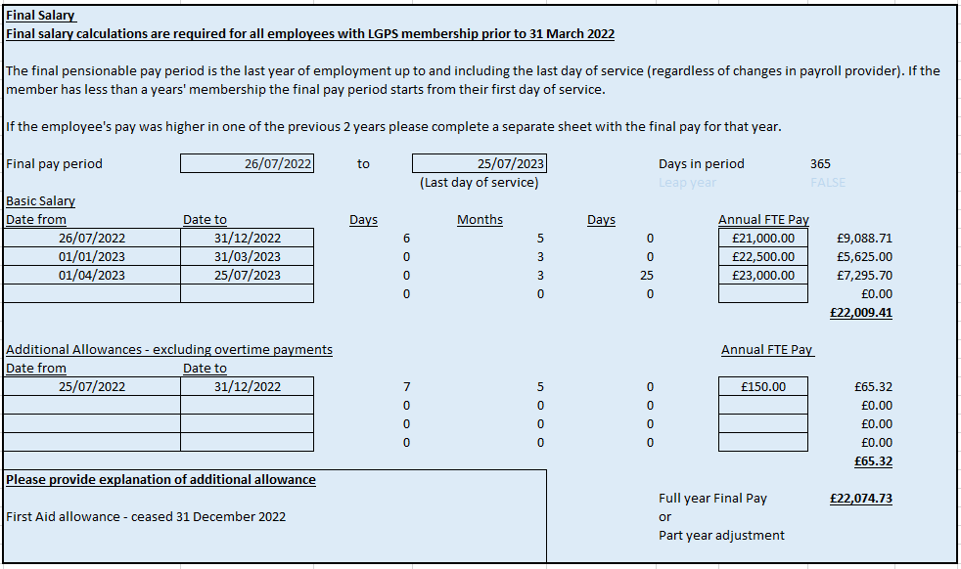

Declaration
The form must be completed in full and signed to confirm the information is accurate.

